Sheet1
 |  | Document No. | Issue No. | Issue Date |  | Review and Replace Date |  | Authorised By
 |  | GFF030MC | 5 | 08.04.2022 |  | 17.12.2024 |  | Magda Shah
 |  | Document Title | GC- 20 Onion Bhaji | 2000G

Document amendments reason for change |  | Tray and Film Changed | Page 1 of 1 |  | Previous Issue Date |  | 12.07.2023 | Uncontrolled copy unless signed original

COBHL-B20T | Gazebo (BULK-SNACKS) |  | GC- 20 Onion Bhaji | 2000G
STEP 1 |  |  |  |  | STEP 2
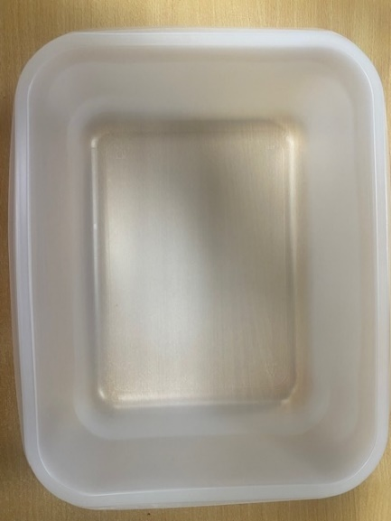 |  |  |  |  | 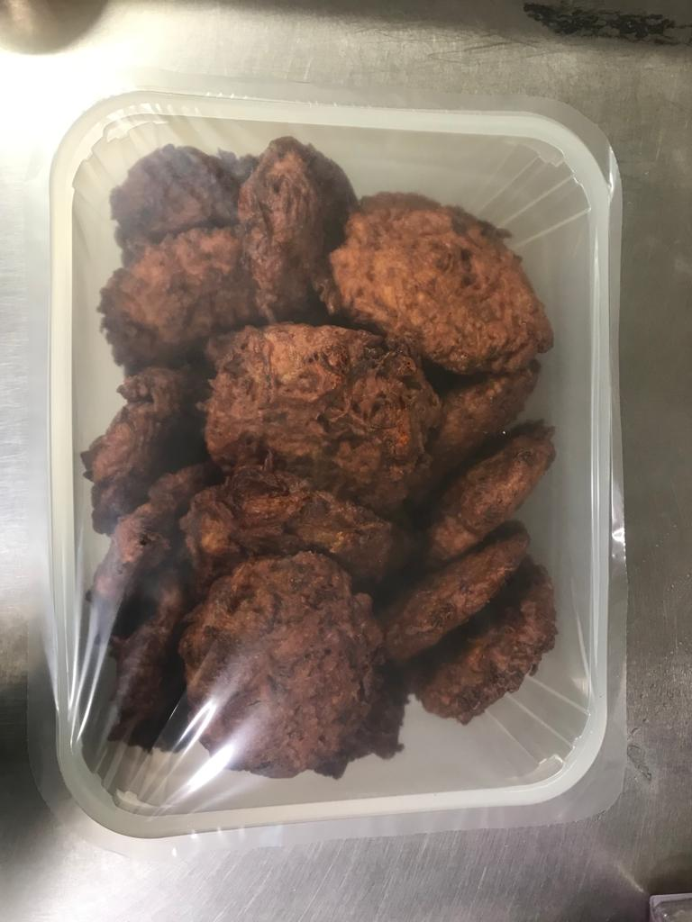

Tray: 554 natural-(PKPRO001-19) |  |  |  |  | Onion Bhaji Large (GFF121R): 100g (1X20 Units) -2000g
Film: S340AF 340mmX510mm AF&HB Weld-(PKPRO001-17)
STEP 3
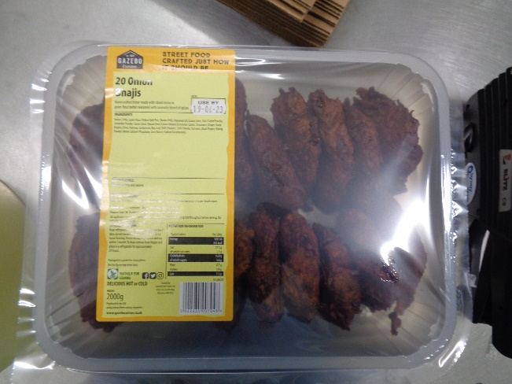 |  |  | 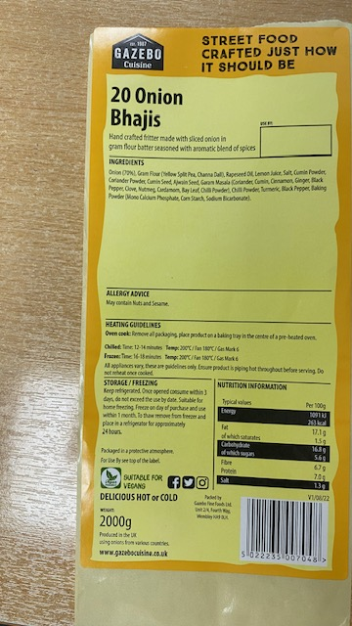 

Label: 20 Onion Bhajis-Barcode:7048
TOTAL WEIGHT: 2000g

ALLERGY ALERT: None

